1. Title Page
[InstaCart Basket]

Project Name: InstaCart Basket Project
Date: November 30, 2024
Analyst Name: Amrit Gill

Contents:
Population Flow
Consistency checks
Wrangling steps
Column derivations
Visualizations
Recommendations

Data Source:
The Instacart Online Grocery Shopping Dataset 2017”, Accessed from www.instacart.com/datasets/grocery-shopping-2017 via Kaggle.
The customer data you explored, as well as the “prices” column in the products data set, were both fabricated for the purpose of this course

2. Population Flow
Title page

Population flow

Exclusion flag
Condition: max_order < 5
Obervations to be removed: 1,444,295
Final total count of order_products_all: 30,964,564

Orders_products_combined
Orders_products_merged
Orders_products_all

Total: 32,404,858
Total: 32,434,488
Total: 32,404,858

1.) The grey boxes in the first row of the population flow represent the original data sets as they were when you downloaded them. In the Total fields you need to add the count of the rows when you imported the data set into Jupyter.
2.) The second row of boxes (coloured) represents the data sets after you manipulated them, e.g., removed missing values and duplicates. In the Total fields you need to add the count of the rows after conducting these operations. This offers a visual oveview of how the data flows throughout the data consistency checks.
3.) The third row, where also the arrows are coloured, represents the merges you performed between the datasets. In the Total fields you need to add the count of the rows in the merged datasets, so that you end up with the final dataset (in the red box). Keep in mind the final dataset should be without exclusions (based on the exclusion flag).

3. Consistency checks
 |  |  |  | Title page
Consistency checks

Dataset | Missing values | Missing values treatment | Duplicates
orders | days_since_last_order(206209) |  | No duplicates found
products | product_name(16) | removed them | dropped 5 duplicate rows
orders_products_prior | No missing values | N/A | No duplicates found
customers | prices over $100 marked as missing | changed to Nan | No duplicates found

4. Wrangling steps
 |  |  |  |  | Title page
Wrangling steps

Data Set | Columns dropped | Columns renamed | Columns' type changed | Comment/Reason
Orders | eval_set |  |  | not required for analysis
 |  | order_dow |  | need appropriate, succinct names.
 |  | days_since_last_order |  | need appropriate, succinct names.
 |  |  | order_id | changed to string
 |  |  | user_id | changed to string
Department |  | index |  | transposed dataset and added an index and new header
Customers |  |  | first_name | data type change, mixed to string
Unnamed xx |  |  |  | not required for analysis
merge |  |  |  | not required for analysis

5. Column derivations
 |  |  |  | Title page

Column derivations and aggregations

Dataset | New column | Column/s it was derived from | Conditions
orders | first_order | days_since_last_order' | NaN
ords_prods_merge | price_range | prices | if prices <= 5 then 'low-range product' if prices >5 & <= 15 then 'mid-range product' if prices > 15 then 'high-range product' else 'not enough data'
ords_prods_merge | busiest_day | orders_day_of_week | if value == 0 then 'busiest day' if value == 4 then 'least busy' else 'regularly busy'
ords_prods_merge | busiest_days | orders_day_of_week | if value == 0 or 1 then 'busiest days' if value == 3 or 4 then 'slowest days' else 'regularly busy'
ords_prods_merge | busiest_period_of_day | hour_of_day | if value == 10 or 11 then 'most orders' if value == 3 or 4 then 'fewest orders' else 'average orders'
ords_prods_merge | loyalty_flag | max_order | if value > 40 then 'loyal customer' if value <= 40 & > 10 then 'regular customer' if value < 10 then 'new customer'
ords_prods_merge | mean_spend | prices | average price per customer
ords_prods_merge | spending_flag | mean_spend | if value > 10 then 'low spender' if value >= 10 then 'high customer'
ords_prods_merge | customer_frequency | days_since_last_order | if value < 20 then 'non_frequent_customer' if value <= 20 & > 10 then 'regular customer' if value > 10 then 'frequent customer'
orders_products_customers | region | state | State defined into regions according to this List of regions of the United States
orders_products_customers | order_frequency_flag | max_order | if value < 5 then 'Non-frequent customer' if value >= 5 then 'Frequent customer'
excluded | income_group | income | if value > 150000 then 'high income' if value >= 55000 & < 150000 then 'middle income' if value < 55000 then 'low income'
excluded | age_group | age | if value > 64 then 'senior' if value > 44 & <= 64 then 'middle-aged' if value > 25 & <= 44 then 'adult' if value <= 25 then 'young adult'
excluded | dependants_flag | n_dependants | if value == 0 then 'no dependants' if value >= 1 then 'has dependants'

 | first_order |  | price_range
 | False 30328763 |  | Mid-range product 673183
 | True 2076096 |  | Low-range product 314392
 | Name: count, dtype: int64 |  | High range 12425
 |  |  | Name: count, dtype: int64

 | busiest_day |  | busiest_days
 | Regularly busy 22416875 |  | Regularly busy 12916111
 | Busiest day 6204182 |  | Busiest days 11864412
 | Least busy 3783802 |  | Slowest days 7624336
 | Name: count, dtype: int64 |  | Name: count, dtype: int64

 | busiest_period_of_day |  | loyalty_flag
 | Average orders 26802436 |  | Regular customer 15876776
 | Most Orders 5497900 |  | Loyal customer 10284093
 | Fewest orders 104523 |  | New customer 6243990
 | Name: count, dtype: int64 |  | Name: count, dtype: int64

 | spending_flag |  | customer_frequency
 | Low spender 31770614 |  | Frequent customer 21559853
 | High spender 634245 |  | Regular customer 7208564
 | Name: count, dtype: int64 |  | Non-frequent customer 3636437
 |  |  | Name: count, dtype: int64

 | order_frequency_flag |  | income_group
 | Frequent customer 30964564 |  | middle-income 22617642
 | Non-frequent customer 1440295 |  | low-income 4452388
 | Name: count, dtype: int64 |  | high-income 3894534
 |  |  | Name: count, dtype: int64

 | age_group |  | dependants_flag
 | middle-aged 9690051 |  | has dependants 23224883
 | adult 9214451 |  | no dependants 7739681
 | senior 8195544 |  | Name: count, dtype: int64
 | young adult 3864518
 | Name: count, dtype: int64

6. Visualizations
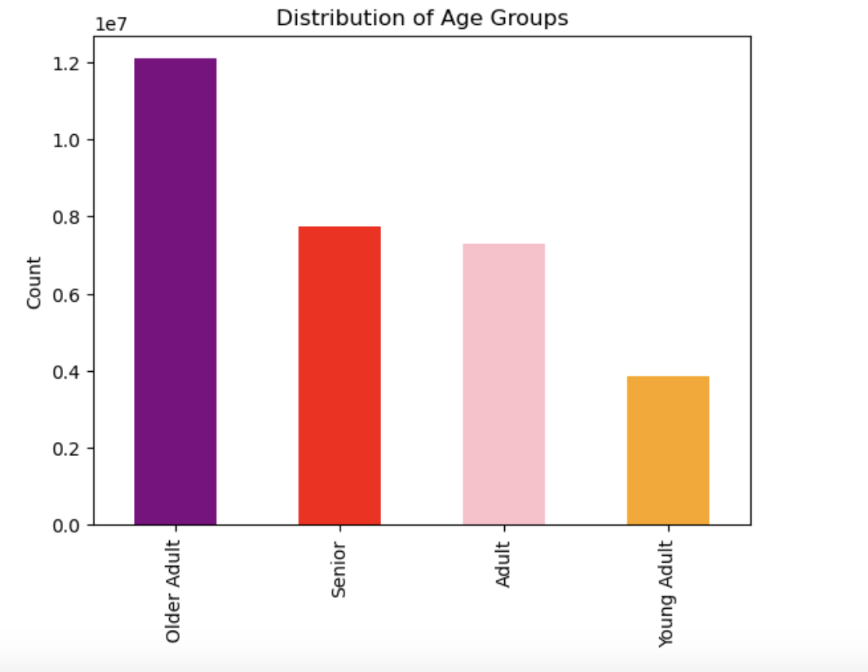
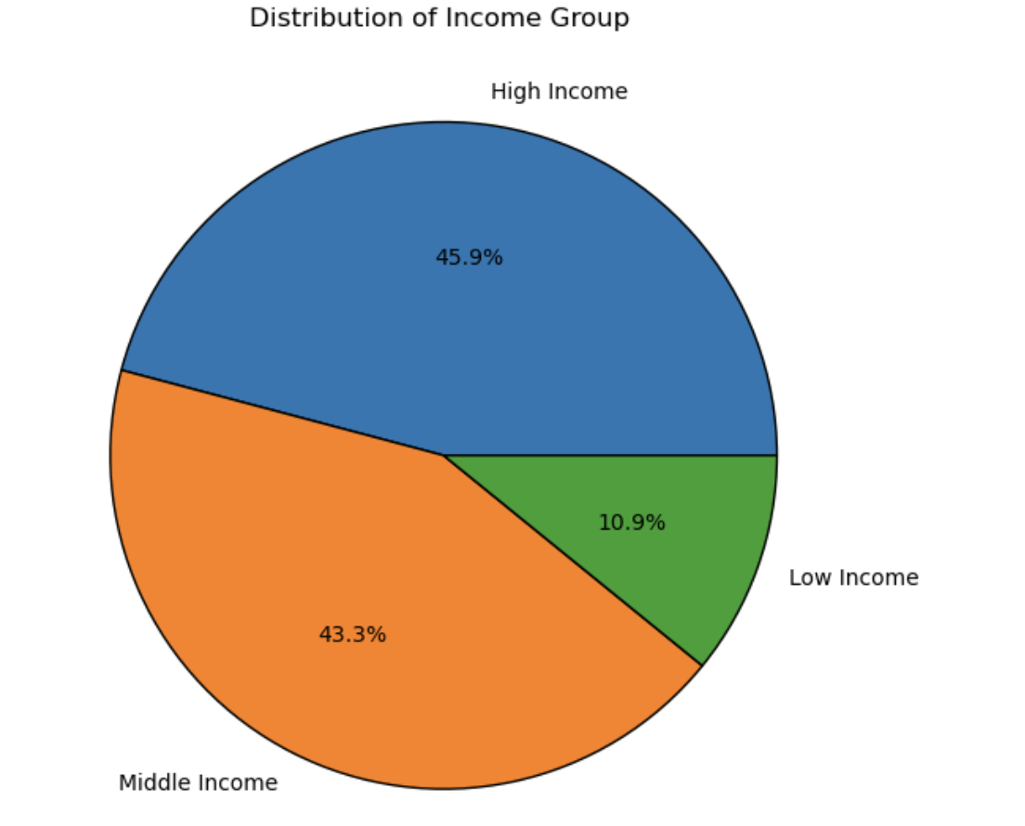

 |  | Title page

Visualisations

Question
From the Sales Team: What are the busiest days of the week and hours of the day?

Comment
Saturday and Sunday are the busiest day of the week. Tuesday and Wednesday are the least bust days of the week.
Most orders are between 8 am and 4 pm.
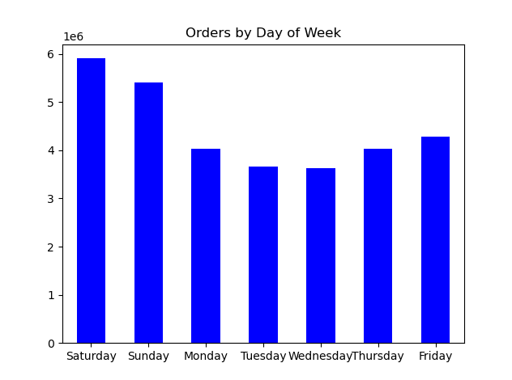
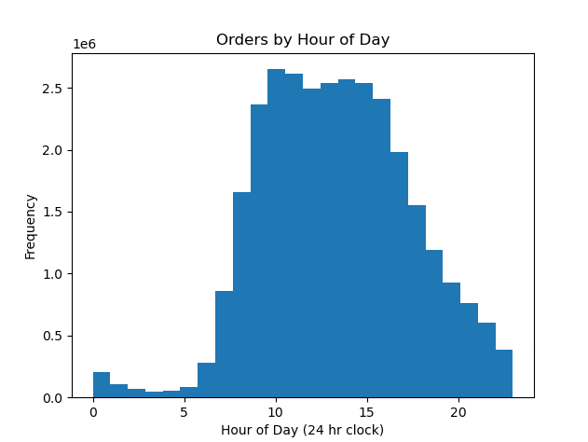

Question
 | From the Sales Team: Are there particular times of day when people spend the most money?

Spending by Day of Week
 | Comment
 | Sales are higher in the morning, but it should be noted that this is a small variation.
 | Additionally, sales are higher on the weekends
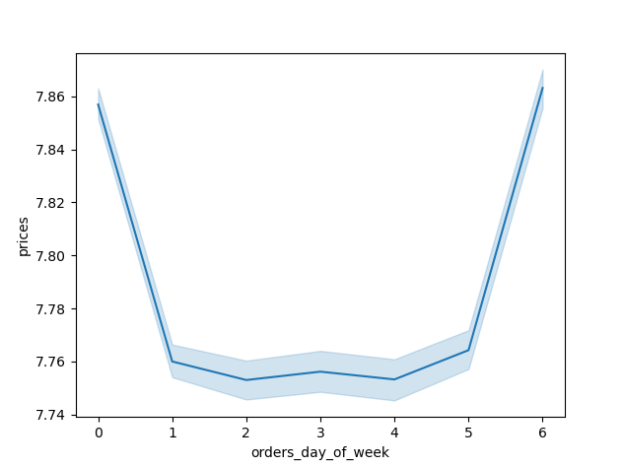
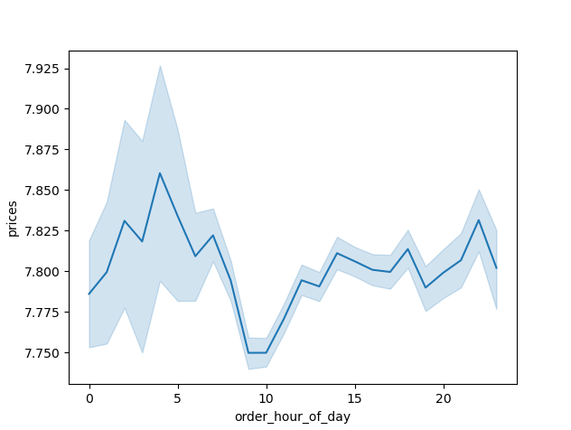
Spending by Hour of the Day

 | Question
 | Marketing and Sales Team: Are there certain products that are more popular than others?

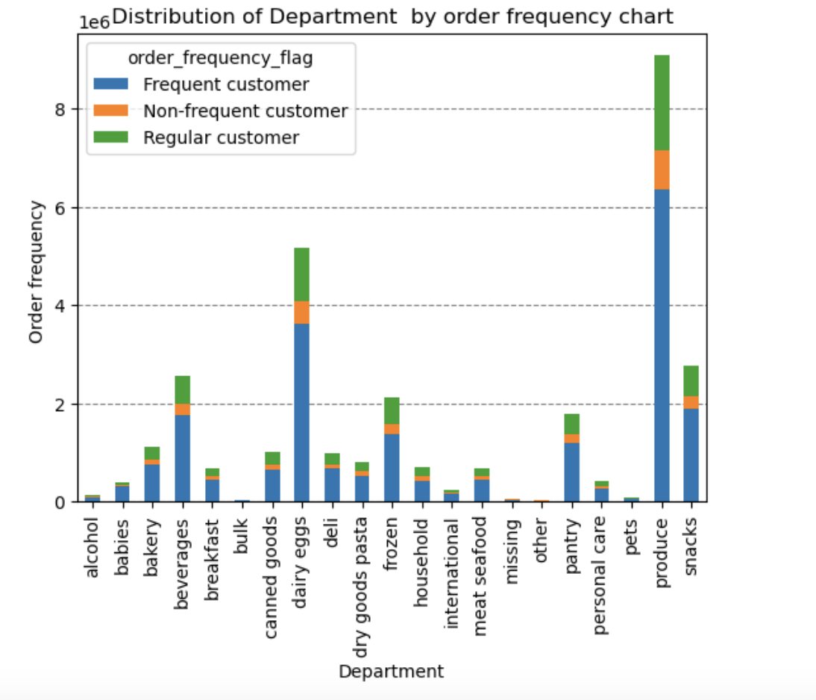
 | Comment
 | Produce, Dairy/eggs, snacks, and beverages are the biggest sellers by department
 | This is both in an age group and a regional breakdown as well.
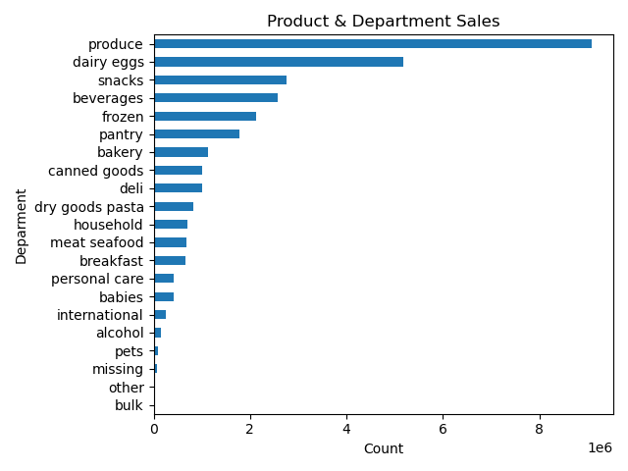

 | Question
 | Marketing and Sales Team: What is the distribution among users as to how often they return to Instacart?
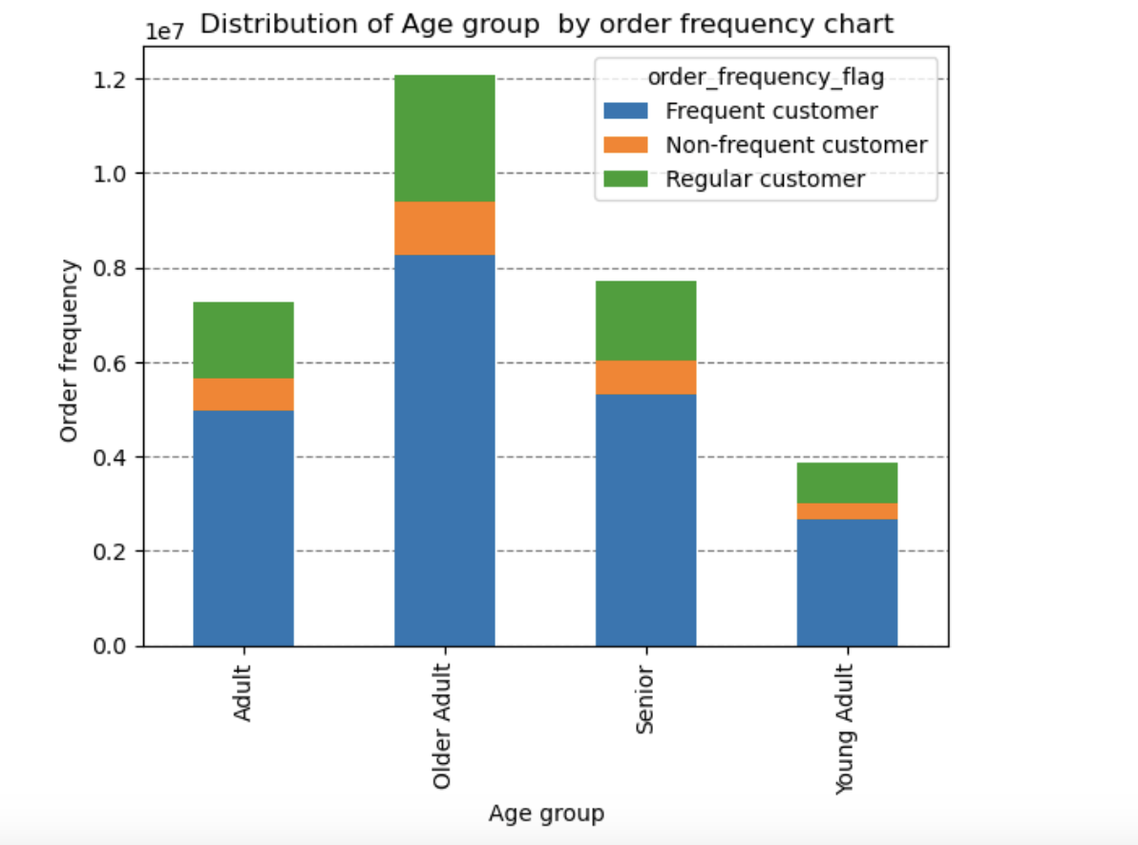
 | Comment
 | Most customers are middle-aged and middle-income
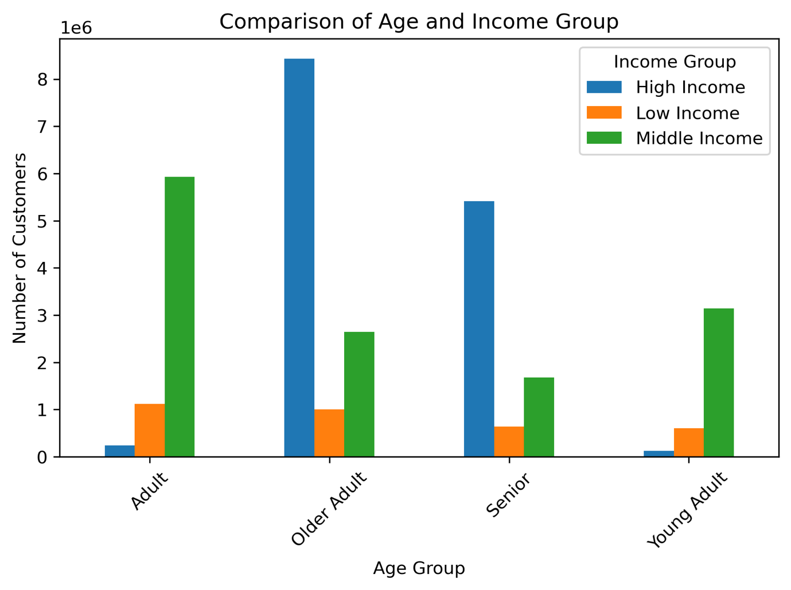

 | Question
 | Marketing and Sales Team: Are there differences in ordering habits based on loyalty status?

 | Comment
 | Most customers are considered to be low spenders

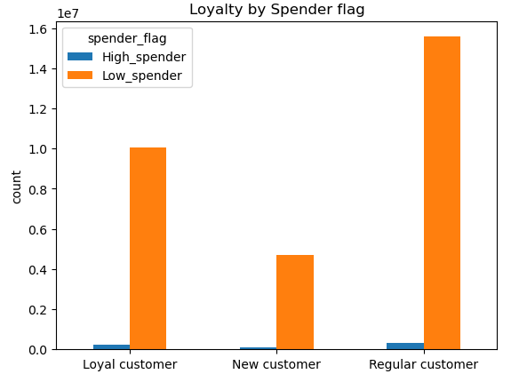

 | Question
 | Marketing and Sales Team: Are there differences in ordering habits based on region?

 | Comment
 | Customers in the South and the West have the largest sales of produce, snacks and dariy/eggs

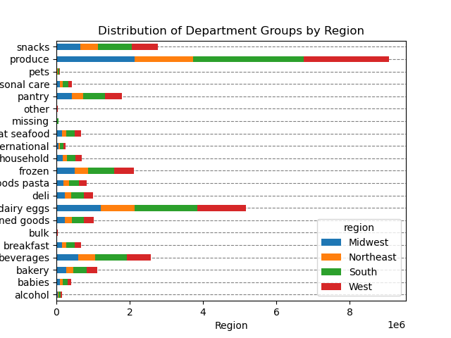

 | Question
 | Marketing and Sales Team: Is there a connection between age and family status and ordering habits?

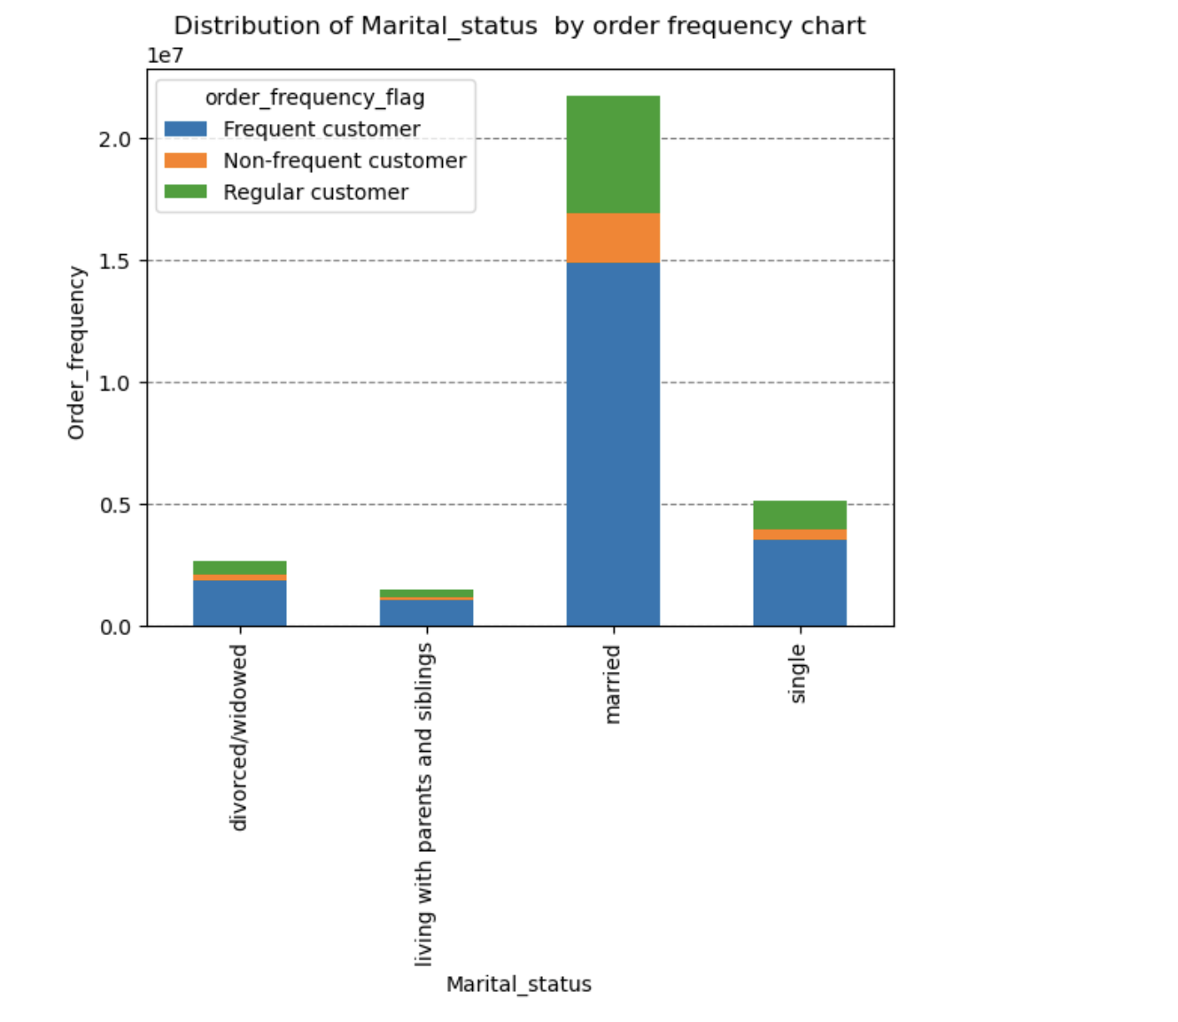
 | Comment
 | Most customers are adult or middle-aged, married, and have dependants

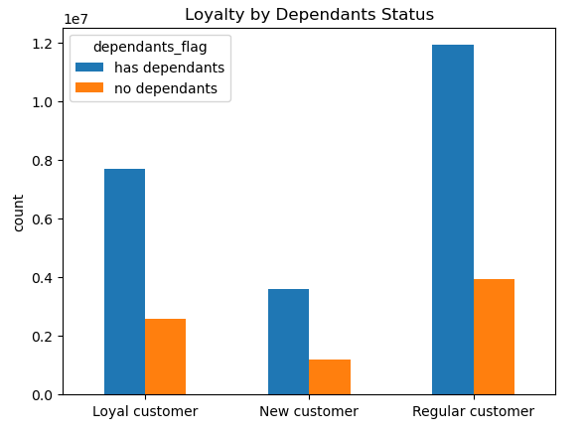

 | Question
 | Marketing and Sales Team: What different classifications does the demographic information suggest? Age? Income? Certain types of goods? Family status??

 | Comment
 | Most customers are older adult , married, and have dependants. Also those in the upper income bracket tend to be over 40.

7. Recommendations
 |  |  | Title page

Recommendations

Question | Answer | Recommendations
What are the busiest days of the week and hours of the day? | Saturday and Sunday are the busiest day of the week. Tuesday and Wednesday are the least bust days of the week. Most orders are between 8am and 4pm. | As the middle of the week are the least busy days, have sales and coupons targeting those days to drive higher sales during those times
Are there particular times of day when people spend the most money? | Sales are higher in the morning, but it should be noted that this is a small variation. Additionally, sales are higher on the weekends. | While sales tend to be slightly higher in the morning and on weekends, the differences are minimal—only around 10-20 cents. This small variation appears to be random or due to statistical noise, so no meaningful conclusions or actionable insights can be drawn from this pattern.
Are there certain products that are more popular than others? | Produce, Dairy/eggs, snacks, and beverages are the biggest sellers by department. | Offering coupons and specials on popular items like produce and dairy can encourage customers to place orders. Meanwhile, providing discounts on less popular items, such as international products, alcohol, and bulk goods, is a good strategy to increase sales in those categories.
Are there differences in ordering habits based on loyalty status? | Most customers are considered to be low spenders. | Instant Cart would likely benefit more from having high spenders rather than frequent shoppers. While offering discounts on the entire grocery order could increase the amount spent per order, it might also reduce how often customers shop, as they may be less motivated to order frequently if they only shop when discounts are available.
Are there differences in ordering habits based on region? | Customers in the South and the West have the largest sales of produce, snacks and dariy/eggs. | Increase advertising and promotions in regions when there are fewer customers
What is the distribution among users as to how often they return to Instacart? Is there a connection between age and family status and ordering habits? What different classifications does the demographic information suggest? Age? Income? Certain types of goods? Family status?? | Most customers are adult or middle-aged, married, and have dependants. Also those in the upper income bracket tend to be over 40. | Have a bulk of coupons and discounts target typical family dinner products, breakfast cereals, packable lunches, etc. Target luxury products to those in the high-income group over 40.
What differences can you find in ordering habits of different customer profiles? Consider the price of orders, the frequency of orders, the products customers are ordering. | The key demographic for those using Instacart are adult to middle-age, middle-income parents. This makes sense as thes would be the larger holdholds that would consume more products. | Instacart may want to expand its reach to a broader range of demographics, including seniors, but challenges such as limited familiarity with technology could be a barrier to growth in this group. Targeting products that are popular with families could encourage customers to place orders sooner, rather than waiting, as these items are often essential and regularly purchased.

